Sheet1
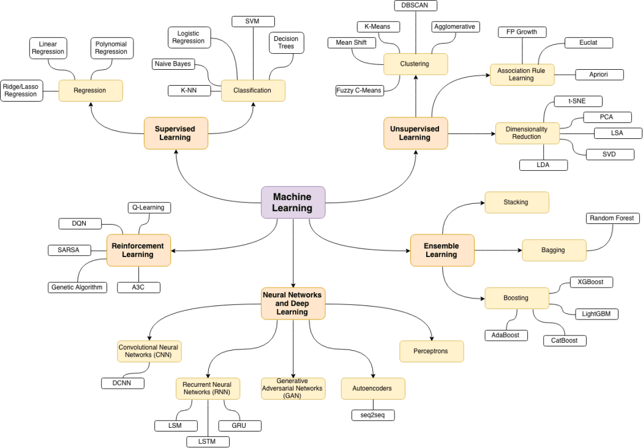
https://scotch.io/@trekhleb/homemade-machine-learning-in-python

